Part 1
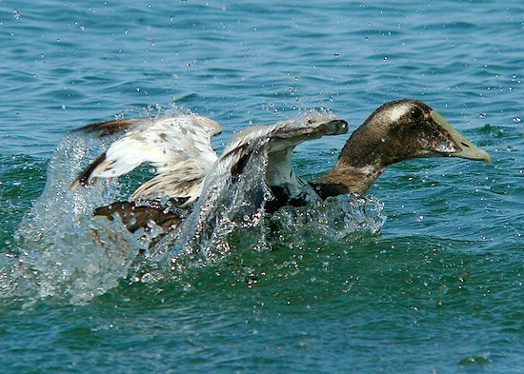
Vital Rate | Value | Projection Matrix:
First Year Survival | 0.75 |  |  |  |  | Y1 | Y2 | Y3 | Y4 | Y5 | Y6 | Y7 | Y8 | Y9 | Y10 | Y11 | Y12 | Y13 | Y14 | Y15
Second Year Survival | 0.88 | 0.004185 | 0.019008 | 0.03204 | N(FY) | 900 | 533.5137 | 496.68843483 | 457.36267161 | 418.7103979 | 383.42247245 | 351.12883887 | 321.55378407 | 294.46963309 | 269.66676866 | 246.95302428 | 226.1524342 | 207.10385565 | 189.65971858 | 173.68488258
Adult Survival | 0.89 | 0.75 | 0 | 0 | N(SY) | 900 | 675 | 400.135275 | 372.51632613 | 343.02200371 | 314.03279843 | 287.56685433 | 263.34662915 | 241.16533805 | 220.85222482 | 202.2500765 | 185.21476821 | 169.61432565 | 155.32789174 | 142.24478893
FY Fecundity | 0.279 | 0 | 0.88 | 0.89 | N(Adult) | 16000 | 15032 | 13972.48 | 12787.626242 | 11708.801722 | 10722.692896 | 9819.5455402 | 8992.4543626 | 8235.0294164 | 7541.4016781 | 6906.1974513 | 6324.495799 | 5791.7902571 | 5303.9539354 | 4857.2075472
SY Fecundity | 1.08
Adult Fecundity | 1.8
Duckling Survival | 0.02 | SD*SFY*FFY | SD*SSY*FSY | SD*SA*FA | Pop Size | 17800 | 16240.5137 | 14869.30371 | 13617.50524 | 12470.534124 | 11420.148167 | 10458.241233 | 9577.3547758 | 8770.6643875 | 8031.9206715 | 7355.4005521 | 6735.8630014 | 6168.5084384 | 5648.9415457 | 5173.1372188
 |  | SFY | 0 | 0 | Lambda | 0.91238841011 | 0.91556855802 | 0.9158132422 | 0.91577230223 | 0.91577057193 | 0.9157710636 | 0.91577107107 | 0.91577106548 | 0.91577106553 | 0.91577106559 | 0.91577106559 | 0.91577106558 | 0.91577106559 | 0.91577106559
 |  | 0 | SSY | SA | Prop. FY | 0.050561797753 | 0.032850789689 | 0.033403610857 | 0.033586377501 | 0.033575979484 | 0.033574211721 | 0.033574367911 | 0.033574383699 | 0.033574381607 | 0.033574381482 | 0.033574381508 | 0.033574381509 | 0.033574381509 | 0.033574381509 | 0.033574381509
 |  |  |  |  | Prop. SY | 0.050561797753 | 0.041562724706 | 0.026910155499 | 0.02735569545 | 0.027506600783 | 0.027498136962 | 0.027496674433 | 0.027496802125 | 0.027496815223 | 0.027496813508 | 0.027496813404 | 0.027496813426 | 0.027496813426 | 0.027496813426 | 0.027496813426
 |  |  |  |  | Prop. Adults | 0.89887640449 | 0.9255864856 | 0.93968623364 | 0.93905792705 | 0.93891741973 | 0.93892765132 | 0.93892895766 | 0.93892881418 | 0.93892880317 | 0.93892880501 | 0.93892880509 | 0.93892880507 | 0.93892880506 | 0.93892880507 | 0.93892880507

